cantidad total de interacciones
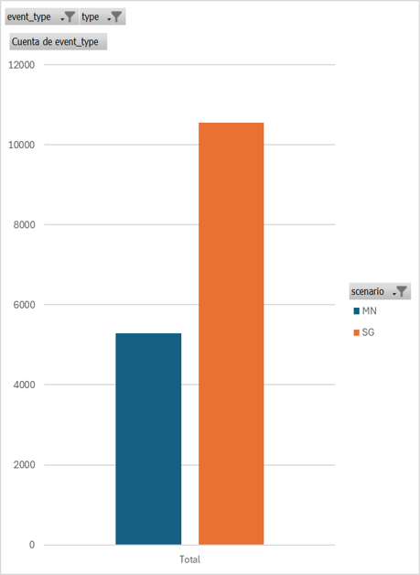
 | Etiquetas de columna
 | MN | SG | Total general
Cuenta de event_type | 5293 | 10545 | 15838

Hoja6
event_type | (Varios elementos)

Etiquetas de fila | Cuenta de event_type
Guantes hápticos | 10552
Mandos | 5529
Total general | 16081
Interacciones totales con mandos y guantes

